Página1
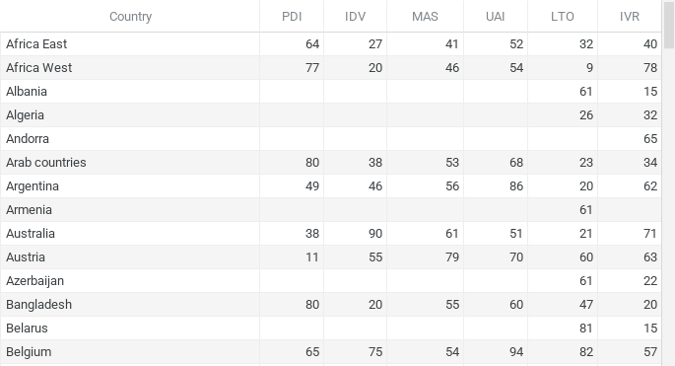
Country | PDI | IDV | MAS | UAI | LTO | IVR
Africa East | 64 | 27 | 41 | 52 | 32 | 40
Africa West | 77 | 20 | 46 | 54 | 9 | 78
Albania |  |  |  |  | 61 | 15
Algeria |  |  |  |  | 26 | 32
Andorra |  |  |  |  |  | 65
Arab countries | 80 | 38 | 53 | 68 | 23 | 34
Argentina | 49 | 46 | 56 | 86 | 20 | 62
Armenia |  |  |  |  | 61
Australia | 38 | 90 | 61 | 51 | 21 | 71
Austria | 11 | 55 | 79 | 70 | 60 | 63
Azerbaijan |  |  |  |  | 61 | 22
Bangladesh | 80 | 20 | 55 | 60 | 47 | 20
Belarus |  |  |  |  | 81 | 15
Belgium | 65 | 75 | 54 | 94 | 82 | 57
Belgium French | 67 | 72 | 60 | 93
Belgium Netherl | 61 | 78 | 43 | 97
Bosnia |  |  |  |  | 70 | 44
Brazil | 69 | 38 | 49 | 76 | 44 | 59
Bulgaria | 70 | 30 | 40 | 85 | 69 | 16
Burkina Faso |  |  |  |  | 27 | 18
Canada | 39 | 80 | 52 | 48 | 36 | 68
Canada French | 54 | 73 | 45 | 60
Chile | 63 | 23 | 28 | 86 | 31 | 68
China | 80 | 20 | 66 | 30 | 87 | 24
Colombia | 67 | 13 | 64 | 80 | 13 | 83
Costa Rica | 35 | 15 | 21 | 86
Croatia | 73 | 33 | 40 | 80 | 58 | 33
Cyprus |  |  |  |  |  | 70
Czech Rep | 57 | 58 | 57 | 74 | 70 | 29
Denmark | 18 | 74 | 16 | 23 | 35 | 70
Dominican Rep |  |  |  |  | 13 | 54
Ecuador | 78 | 8 | 63 | 67
Egypt |  |  |  |  | 7 | 4
Ethiopia |  |  |  |  |  | 46
El Salvador | 66 | 19 | 40 | 94 | 20 | 89
Estonia | 40 | 60 | 30 | 60 | 82 | 16
Finland | 33 | 63 | 26 | 59 | 38 | 57
France | 68 | 71 | 43 | 86 | 63 | 48
Georgia |  |  |  |  | 38 | 32
Germany | 35 | 67 | 66 | 65 | 83 | 40
Germany East |  |  |  |  | 78 | 34
Ghana |  |  |  |  | 4 | 72
Great Britain | 35 | 89 | 66 | 35 | 51 | 69
Greece | 60 | 35 | 57 | 112 | 45 | 50
Guatemala | 95 | 6 | 37 | 101
Hong Kong | 68 | 25 | 57 | 29 | 61 | 17
Hungary | 46 | 80 | 88 | 82 | 58 | 31
Iceland |  |  |  |  | 28 | 67
India | 77 | 48 | 56 | 40 | 51 | 26
Indonesia | 78 | 14 | 46 | 48 | 62 | 38
Iran | 58 | 41 | 43 | 59 | 14 | 40
Iraq |  |  |  |  | 25 | 17
Ireland | 28 | 70 | 68 | 35 | 24 | 65
Israel | 13 | 54 | 47 | 81 | 38
Italy | 50 | 76 | 70 | 75 | 61 | 30
Jamaica | 45 | 39 | 68 | 13
Japan | 54 | 46 | 95 | 92 | 88 | 42
Jordan |  |  |  |  | 16 | 43
Korea South | 60 | 18 | 39 | 85 | 100 | 29
Kyrgyz Rep |  |  |  |  | 66 | 39
Latvia | 44 | 70 | 9 | 63 | 69 | 13
Lithuania | 42 | 60 | 19 | 65 | 82 | 16
Luxembourg | 40 | 60 | 50 | 70 | 64 | 56
Macedonia Rep |  |  |  |  | 62 | 35
Malaysia | 104 | 26 | 50 | 36 | 41 | 57
Mali |  |  |  |  | 20 | 43
Malta | 56 | 59 | 47 | 96 | 47 | 66
Mexico | 81 | 30 | 69 | 82 | 24 | 97
Moldova |  |  |  |  | 71 | 19
Montenegro |  |  |  |  | 75 | 20
Morocco | 70 | 46 | 53 | 68 | 14 | 25
Netherlands | 38 | 80 | 14 | 53 | 67 | 68
New Zealand | 22 | 79 | 58 | 49 | 33 | 75
Nigeria |  |  |  |  | 13 | 84
Norway | 31 | 69 | 8 | 50 | 35 | 55
Pakistan | 55 | 14 | 50 | 70 | 50 | 0
Panama | 95 | 11 | 44 | 86
Peru | 64 | 16 | 42 | 87 | 25 | 46
Philippines | 94 | 32 | 64 | 44 | 27 | 42
Poland | 68 | 60 | 64 | 93 | 38 | 29
Portugal | 63 | 27 | 31 | 104 | 28 | 33
Puerto Rico |  |  |  |  | 0 | 90
Romania | 90 | 30 | 42 | 90 | 52 | 20
Russia | 93 | 39 | 36 | 95 | 81 | 20
Rwanda |  |  |  |  | 18 | 37
Saudi Arabia |  |  |  |  | 36 | 52
Serbia | 86 | 25 | 43 | 92 | 52 | 28
Singapore | 74 | 20 | 48 | 8 | 72 | 46
Slovak Rep | 104 | 52 | 110 | 51 | 77 | 28
Slovenia | 71 | 27 | 19 | 88 | 49 | 48
South Africa |  |  |  |  | 34 | 63
South Africa white | 49 | 65 | 63 | 49
Spain | 57 | 51 | 42 | 86 | 48 | 44
Suriname | 85 | 47 | 37 | 92
Sweden | 31 | 71 | 5 | 29 | 53 | 78
Switzerland | 34 | 68 | 70 | 58 | 74 | 66
Switzerland French | 70 | 64 | 58 | 70
Switzerland German | 26 | 69 | 72 | 56
Taiwan | 58 | 17 | 45 | 69 | 93 | 49
Tanzania |  |  |  |  | 34 | 38
Thailand | 64 | 20 | 34 | 64 | 32 | 45
Trinidad and Tobago | 47 | 16 | 58 | 55 | 13 | 80
Turkey | 66 | 37 | 45 | 85 | 46 | 49
U.S.A. | 40 | 91 | 62 | 46 | 26 | 68
Uganda |  |  |  |  | 24 | 52
Ukraine |  |  |  |  | 86 | 14
Uruguay | 61 | 36 | 38 | 100 | 26 | 53
Venezuela | 81 | 12 | 73 | 76 | 16 | 100
Vietnam | 70 | 20 | 40 | 30 | 57 | 35
Zambia |  |  |  |  | 30 | 42
Zimbabwe |  |  |  |  | 15 | 28

